TSF
 SSRH - Support Scheme Renewable Heat Technical Submission Form VERSION 1 TARIFF ONLY

 | 1. Please download and complete this excel form as part of your application to the Support Scheme for Renewable Heat.

 | 2. The duly completed Technical Submission Form must be uploaded via Share Point with the required documentation within 10 working days of receiving your unique application reference number. This Share Point folder will be provided to the applicant after submission of the online Application Form. It is good practice to save these documents with the applicants name and the application reference number in the file name.

 | May 2019

 | Applicant Name:
 | Application Reference #:

Question Number | Question

Section | GENERAL INFORMATION
1 | Provide one of the following documents to confirm that the Building is non-domestic: (1) planning permission issued by a local authority; or (2) rate receipts from the Local County or Town Council (or any other document which provides proof of the non-domestic status of the building to the satisfaction of SEAI) |  |  |  |  |  | Please upload a copy of this document to the Share Point folder that was provided to you.

1.1 | Please provide a site map for the proposed project site. Please ensure that the location of the equipment, meters and associated Buildings/structures to be heated are included and labelled accordingly. |  |  |  |  |  | Please upload a copy of this document to the Share Point folder that was provided to you.

1.2 | Please provide a design report by a Competent Person. The report should include the thermal demand profile and heat source sizing/capacity along with the thermal design criteria and associated assumptions made. Also include a quarterly consumption breakdown using your best estimates. |  |  |  |  |  | Please upload a copy of this document to the Share Point folder that was provided to you.
2 | Please provide schematic diagrams for the proposed Eligible Installation (including the proposed heat generating equipment and any additional heat sources, heat emitters, circulating pumps, and metering equipment). |  |  |  |  |  | Please upload a copy of this document to the Share Point folder that was provided to you.

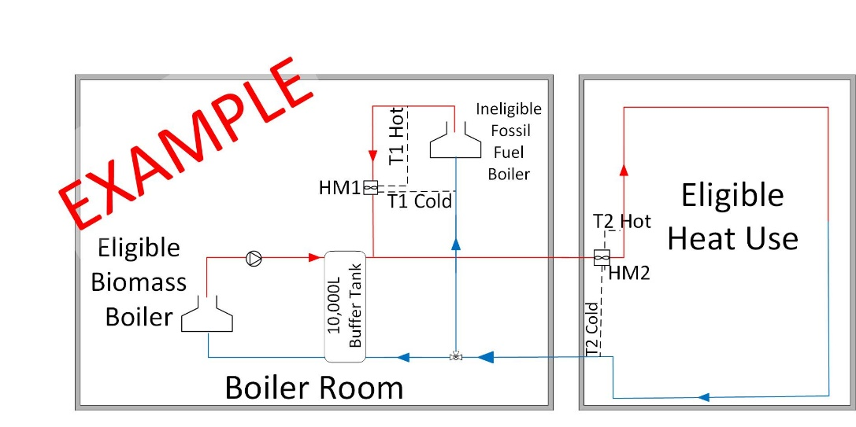

3 | What type of associated Building/structure(s) will benefit from the heat generated by the proposed Eligible Installation?

4 | What is the area of the associated Building/structure in meters squared, that will benefit from the Eligible Heat?
5 | Are you are installing the Eligible Installation in a new or existing Building?

6 | Are you replacing an existing fossil fuel heat source with the proposed heat generating equipment?

7 | If YES, please include the make, gross efficiency, model, age, capacity and fuel types of the existing heating source.

 | Make | Gross efficiency (%) | Model | Age | Heat output capacity |  | Fuel type
7A
7B
7C
8 | If you are not replacing an existing heat source, is this a new Building (under construction or yet to be constructed)? |  |  |  |  |  | Please Select

9 | You have previously stated that the associated Building/structure is not a new build and it did not have an existing fossil fuel heating system installed. Please explain why the Eligible Installation is needed and what it will be used for?

10 | Select how the heat generated by your Installation will be used from the dropdown menu. All three options can be applicable.

 | Space Heating |  |  |  |  |  | Please Select
 | Water Heating |  |  |  |  |  | Please Select
 | Process Heating |  |  |  |  |  | Please Select
11 | Are you planning to install or retain any back up or parallel heat source in connection to the proposed heat generating equipment with overall integrated heat control? |  |  |  |  |  | Please Select

 | If YES, please provide the make, gross efficiency, model, age, heat output capacity and fuel type below.
 | Make | Gross efficiency (%) | Model | Age | Heat output capacity |  | Fuel type
11A
11B
11C
Section | ELIGIBILE BUILDING / STRUCTURE(S)
12 | Do you intend to supply heat to more than one associated Building/structure? |  |  |  |  |  | Yes
13 | If NO, please provide a brief description of the associated Building/structure, for example (Office Building).

14 | If YES, Please provide a description of the associated Building/structures in which the heat will be used.

15 | Is the associated Building/structure fully enclosed on all sides? |  |  |  |  |  | Please Select
16 | If the associated Building/structure(s) are not fully enclosed please describe the temporary or permanent openings in each associated Building/structure.

17 | Answer only if you selected NO for question 15 above, what are the purpose that each opening serves?

19 | Enter the gross efficiency or the system efficiency of your Eligible Installation as a percentage.

 | Gross efficiency (%)
Question Number | Question

Section | EVALUATION OF ENERGY COMSUMPTION
21 | Baseline Heat Energy Performance - Consumption

 |  |  |  |  |  | Main |  | Other
 |  |  |  |  |  |  |  | (If Applicable)
 | What method of heat energy calculation did you use to get your total fuel consumption attributed to eligible heat?

 | If other, please specify:

 | Please select your fuel type

 | Please provide the amount of fuel used to generate Eligible Heat in previous year (litres or tonnes):

 | Amount of fuel in tonnes |  |  |  |  | Please select Fuel Type |  | Please select Fuel Type

 | Caloric value for the selected fuel (MJ/Tonne) |  |  |  |  | Please select Fuel Type |  | Please select Fuel Type

 | Total caloric value used (MJ)

 | Total MWh used (ie Baseline Heat Energy Performance for previous year)

 | Do you expect your eligible baseline to change in the future?

 | How would it change?

 | What is the MWh difference that you expect?

 | Your future baseline consumption (MWh/yr):

 | What is the reason for the in baseline consumption?

 | Your total projected baseline consumption (MWh/yr):

Question Number | Question

Section | EVALUATION OF ENERGY MANAGEMENT
22 | How do you manage your energy?
22A | Select your energy management plan/statement
 | If Other - please describe

22B | What type of heat energy measurement tools do you use?
 | If other, please describe

22C | Energy Improvement Plan
 | List your Energy Performance Improvement Actions (EPIA)
 | Estimate the proposed energy savings as a result of your planned EPIA

 | Carry out an economic analysis for each EPIA and prioritise those to be implemented
 | Action | Description |  | Estimated implementation cost (Euro) |  | Estimated kWh saved per year | Estimated ROI in years and months | €/kWh
 | Action 1
 | Action 2
 | Action 3
 | Action 4

22D | Demonstrate that you have access to the necessary expertise to design the energy management plan? (Did you use an energy efficiency professional or in-house expertise?)

 | Will the applicant be supported by an obligated party?
 | If yes, which one? |  |  |  |  | Please Select
Question Number | Question

Section | EVALUATION OF ENERGY USES
23 | Carry out an energy efficiency evaluation.
23A | Energy Balance Study
 | Please fill the following to create your 'Energy Balance Study'

 | Total calculated eligible heat in MWh per year

 | Type of heat usage |  |  |  | Water | Space | Process
 | How much heat was produced for each type (MWhs)?
Energy Balance Study
 | Heat Type
Water | 0
Space | 0
Process | 0
Remaining | 0
 |  |  |  | Heat Type
 |  |  | Water
 |  |  | Space
 |  |  | Process
 |  |  | Total | 0
 |  |  | Remaining | 0

23B | Please provide a benchmark in respect of heat use in your sector.
 | Provide the heat consumption per specified unit.

 | Sub-sector

 | Not applicable

 | Describe your key performance indicator (KPI)

 | Enter unit of measure |  |  |  |  |  |  | e.g. kWh/sqm
 | e.g.: msq, units produced, litres of water, etc.

 | Enter your annual quantity of KPI |  |  |  |  |  |  | e.g. 2000 sqm

 | What is the energy consumption benchmark for this sector? (kW/X.) |  |  |  |  |  |  | e.g. 200kWh/sqm

 | CIBSE Guide F & CIBSE TM46 have example of benchmarks from various industries
 | Total calculated heat benchmark (MWh/yr) |  |  |  |  |  |  | e.g. 400 MWh/sqm/yr

 | What is the source of your benchmark data?

 | Date of publication (mm/dd/yyyy):

23C | Unique/novel enterprise?

24 | In the absence of SSRH support what alternative heating solution would (or could) be implemented?

Nominated Project Contact Declaration
I, [insert name of declarant], being a duly authorised signatory on behalf of the Nominated Project Contact hereby certify that, to the best of my knowledge, information and belief, the information provided on this Technical Submission Form is true, accurate, complete and not misleading in anyway.

 | Insert name of signatory |  |  |  | Date

 | Signature |  |  |  | Insert Job Title

Applicant Declaration
I, [insert name of declarant below], being a duly authorised signatory on behalf of the applicant hereby certify that the information provided on this Technical Submission Form is true, accurate, complete and not misleading in anyway.

 | Insert name of signatory |  |  |  | Date

 | Signature |  |  |  | Insert job title

